Oversigt
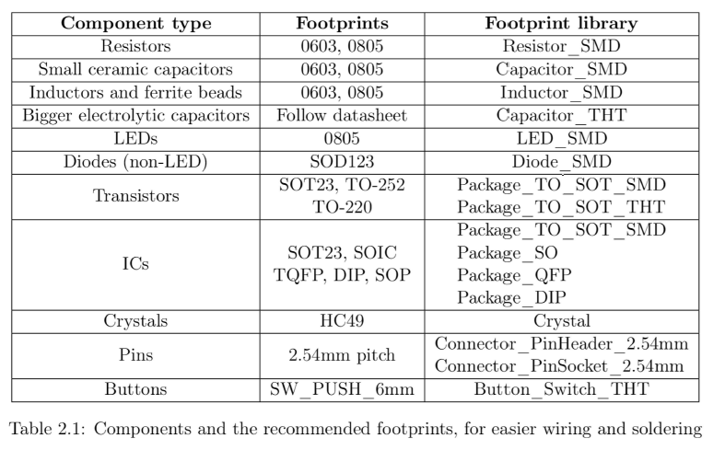
Budget 13/03-2023
Komponent | Beløb (dkk m. moms) |  |  |  | link
Rat | 1000 |  |  |  | Simoni Racing, Steeringwheel Spec 350mm - Sort Leather + Gul Seam (Deep Dish - 95mm) - 981,00 kr. | Køb hos CarLab.dk
LCD | 500
Periphials mv. (RS) | 3000 |  |  |  | Knapper_link
PCB fremstilling + P&P | 1000 |  |  |  | https://jlcpcb.com/
THT - komponenter og konnektorer | 500
Total | 6000

Total u. moms | 4800

INDKØB
Ting | Link | Note
 | https://dk.rs-online.com/web/p/fladkabel/1792569
 | https://dk.rs-online.com/web/p/fpc-stik/1362373

OPDATERET 22/05/2023 NEDENUNDER

Budget 23/05-2023 |  |  | Budget 23/05-2023
Part | Beløb (dkk m. moms) |  | Part | Beløb (dkk u. moms)
Rat | 981.25 |  | Skærm og photoresistor (Mouser) | 318
Skærm og photoresistor (Mouser) | 397.5 |  | Periphials mv. (RS) | 3952
Periphials mv. (RS) | 4940 |  | Rat | 785
PCB fremstilling + P&P (2 stk) | 1171 |  | PCB fremstilling + P&P (2 stk) | 940
Total | 7489.75 |  | Total | 5995

Total u. moms | 5991.8 |  | Total + moms | 7494

Knapper v3
. | kanpper/ omskiftere | Connector | GPIO
alt : | 15 | 15 | 28

Connector types | Connector types
Ledninger | Connector PCB | Connector Ledning | Antal hver | Notes | Width (mm)
2 |  |  | 1 |  | 8
4 | https://dk.rs-online.com/web/p/printstiftlister/6701908 | https://dk.rs-online.com/web/p/stikhuse-og-stik/2332753 | 14 |  | 11

 |  |  |  | Total bredde: | 16.2 | cm

 |  |  |  |  |  | (A= arreterende, M = momentan)
Funktion | Underfunktion | Type | Farve | Link | cap | Ledninger | LED type (SW) | digital GPIO-Pins | i kurv | datasheet | varenr | note
Horn | | Momentan | - | P3-D000048W | Otto Trykknapomskifter, Panelmontering, Momentan, IP64, IP68S, 28 V dc, 115V ac | RS (rs-online.com) | - | 2 | M | 1 | Y | https://docs.rs-online.com/caff/0900766b8141900a.pdf | 8766143 | Dyr, men bedste valgmulighed.

Audio | sound up/down | Rocker switch | - | 1838.1402 | Marquardt (On)-Off-(On) SPDT Vippeomskifter, udskæring: bredde 11mm højde 30mm | RS (rs-online.com) | - | 4 | - | 2 | Y | 00_01_en_Titel_Alphabetisch.indd (rs-online.com) | 7410873 | [(on)-off-(on)] switch | 3 ledninger men vi vælger 4 for at have det ens
Audio | Next/Prev | Rocker switch | - | 1838.1402 | Marquardt (On)-Off-(On) SPDT Vippeomskifter, udskæring: bredde 11mm højde 30mm | RS (rs-online.com) | - | 4 | - | 2 | Y | 00_01_en_Titel_Alphabetisch.indd (rs-online.com) | 7410873 | [(on)-off-(on)] switch | 3 ledninger men vi vælger 4 for at have det ens

Cruise control | Start/stop | Momentan | Blå/RGB (GB) | RS PRO, 1-polet skifte Trykknapomskifter, Panelmontering, Momentan, Belyst, IP67, 36V dc | RS (rs-online.com) | - | 4 | A | 2 | Y | A9RA3A0.tmp (mouser.com) | 1759588
Cruise control | speed Increase/decrease | Rocker switch | - | 1838.1402 | Marquardt (On)-Off-(On) SPDT Vippeomskifter, udskæring: bredde 11mm højde 30mm | RS (rs-online.com) | - | 4 | - | 2 | Y | 00_01_en_Titel_Alphabetisch.indd (rs-online.com) | 7410873 | [(on)-off-(on)] switch |3 ledninger men vi vælger 4 for at have det ens

Display | Tab1 | Momentan | Grøn/RGB (GB) | RS PRO, 1-polet skifte Trykknapomskifter, Panelmontering, Momentan, Belyst, IP67, 36V dc | RS (rs-online.com) | - | 4 | A | 2 | Y | A9RA3A0.tmp (mouser.com) | 1759588
Display | Tab2 | Momentan | Grøn/RGB (GB) | RS PRO, 1-polet skifte Trykknapomskifter, Panelmontering, Momentan, Belyst, IP67, 36V dc | RS (rs-online.com) | - | 4 | A | 2 | Y | A9RA3A0.tmp (mouser.com) | 1759588
Display | Tab3 | Momentan | Grøn/RGB (GB) | RS PRO, 1-polet skifte Trykknapomskifter, Panelmontering, Momentan, Belyst, IP67, 36V dc | RS (rs-online.com) | - | 4 | A | 2 | Y | A9RA3A0.tmp (mouser.com) | 1759588
Display | Tab4 | Momentan | Grøn/RGB (GB) | RS PRO, 1-polet skifte Trykknapomskifter, Panelmontering, Momentan, Belyst, IP67, 36V dc | RS (rs-online.com) | - | 4 | A | 2 | Y | A9RA3A0.tmp (mouser.com) | 1759588

Lys | Langtlysblink | Momentan | Gul/RGB (RG) | RS PRO, 1-polet skifte Trykknapomskifter, Panelmontering, Momentan, Belyst, IP67, 36V dc | RS (rs-online.com) | - | 4 | A | 2 | Y | A9RA3A0.tmp (mouser.com) | 1759588

Vinduesvisker | Fluid | Momentan | off/RGB (RG) | RS PRO, 1-polet skifte Trykknapomskifter, Panelmontering, Momentan, Belyst, IP67, 36V dc | RS (rs-online.com) | - | 4 | M | 1 | Y | A9RA3A0.tmp (mouser.com) | 1759588 | 3 ledninger men vi vælger 4, for at have det ens
Blinklys | Venstre/højre blink | Rocker switch | - | 1838.1402 | Marquardt (On)-Off-(On) SPDT Vippeomskifter, udskæring: bredde 11mm højde 30mm | RS (rs-online.com) | - | 4 | (evt 2x led) | 2 | Y | 00_01_en_Titel_Alphabetisch.indd (rs-online.com) | 7410873 | [(on)-off-(on)] switch | 3 ledninger men vi vælger 4 for at have det ens

Radio | Push to talk | Momentan | Blå/RGB (RB) | RS PRO, 1-polet skifte Trykknapomskifter, Panelmontering, Momentan, Belyst, IP67, 36V dc | RS (rs-online.com) | - | 4 | A | 2 | Y | A9RA3A0.tmp (mouser.com) | 1759588 | 3 ledninger men vi vælger 4, for at have det ens

Extra | extra 1 | Momentan | off/RGB (RB) | RS PRO, 1-polet skifte Trykknapomskifter, Panelmontering, Momentan, Belyst, IP67, 36V dc | RS (rs-online.com) | - | 4 | A | 2 | Y | A9RA3A0.tmp (mouser.com) | 1759588 | 3 ledninger men vi vælger 4, for at have det ens
Extra | extra 2 | Momentan | off/RGB (RB) | RS PRO, 1-polet skifte Trykknapomskifter, Panelmontering, Momentan, Belyst, IP67, 36V dc | RS (rs-online.com) | - | 4 | A | 2 | Y | A9RA3A0.tmp (mouser.com) | 1759588 | 3 ledninger men vi vælger 4, for at have det ens

MOUSER SHOPPING BASKET: | https://www.mouser.dk/ProjectManager/ProjectDetail.aspx?AccessID=aa88ab5736
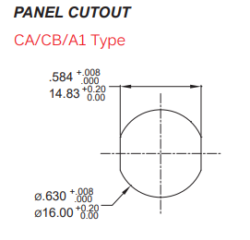

 | Button type counter (for easy rs)
 | vare nr unique | count | extra | sum
 | 8766143 | 1 | 0 | 1 |  |  | Vigtigt ift. rs knapper: | A9RA3A0.tmp (mouser.com)
 | 7410873 | 4 | 1 | 5 |  |  | Knappen vi vælger: | MPB16-A1HE-RGB-JR-0V
 | 1759588 | 10 | 3 | 13
 |  | 0

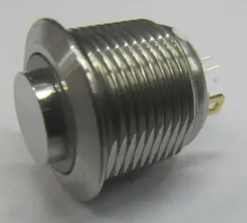

 | SUM | 15 | 4 | 19

 | Arduino MEGA
 | Adafruit 3.5 inch screen (Adafruit 2050, 250 nits) | 2050 Adafruit Industries LLC | Optoelectronics | DigiKey
 |  | 2050 Adafruit | Mouser Denmark

CONNECTORS

navn | antal | varenr
Molex Mini-Fit Jr 5569, 4.2mm pitch, 4-polet med 2 rækker Retvinklet Printstiftliste, Hulmontering | 5 | 510-9843
 | xx
 | xx

